Proc 4 - Univariate
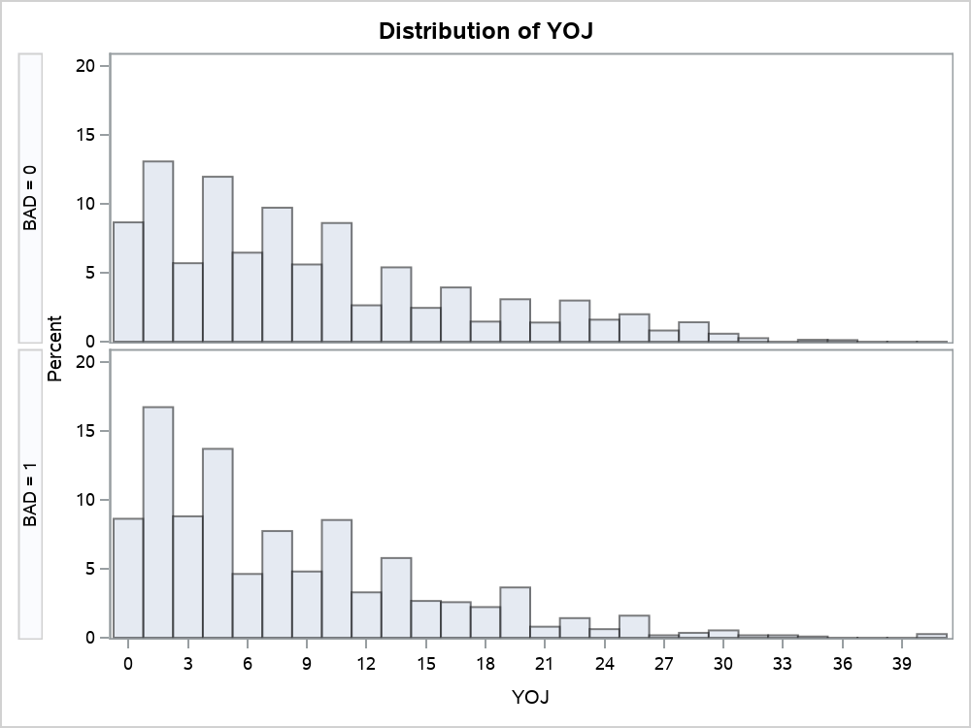
The UNIVARIATE Procedure
Variable: YOJ
BAD = 0

Moments
N | 4321 | Sum Weights | 4321
Mean | 9.15494099 | Sum Observations | 39558.5
Std Deviation | 7.67603348 | Variance | 58.92149
Skewness | 0.93551141 | Kurtosis | 0.15840934
Uncorrected SS | 616696.57 | Corrected SS | 254540.837
Coeff Variation | 83.8457997 | Std Error Mean | 0.11677362

Basic Statistical Measures
Location |  | Variability
Mean | 9.154941 | Std Deviation | 7.67603
Median | 7.000000 | Variance | 58.92149
Mode | 0.000000 | Range | 36.00000
 |  | Interquartile Range | 10.00000

Tests for Location: Mu0=0
Test | Statistic |  | p Value
Student's t | t | 78.39905 | Pr > |t| | <.0001
Sign | M | 1982 | Pr >= |M| | <.0001
Signed Rank | S | 3929315 | Pr >= |S| | <.0001

Quantiles (Definition 5)
Level | Quantile
100% Max | 36
99% | 30
95% | 25
90% | 21
75% Q3 | 13
50% Median | 7
25% Q1 | 3
10% | 1
5% | 0
1% | 0
0% Min | 0

Extreme Observations
Lowest |  | Highest
Value | Obs | Value | Obs
0 | 5549 | 36 | 4741
0 | 5506 | 36 | 5030
0 | 5487 | 36 | 5074
0 | 5473 | 36 | 5259
0 | 5471 | 36 | 5288

Missing Values
Missing Value | Count | Percent Of
 |  | All Obs | Missing Obs
. | 450 | 9.43 | 100.00

The UNIVARIATE Procedure
Variable: YOJ
BAD = 1

Moments
N | 1124 | Sum Weights | 1124
Mean | 8.02780249 | Sum Observations | 9023.25
Std Deviation | 7.10073483 | Variance | 50.4204351
Skewness | 1.20886661 | Kurtosis | 1.47086258
Uncorrected SS | 129059.018 | Corrected SS | 56622.1487
Coeff Variation | 88.4517879 | Std Error Mean | 0.21179716

Basic Statistical Measures
Location |  | Variability
Mean | 8.027802 | Std Deviation | 7.10073
Median | 6.000000 | Variance | 50.42044
Mode | 2.000000 | Range | 41.00000
 |  | Interquartile Range | 10.00000

Tests for Location: Mu0=0
Test | Statistic |  | p Value
Student's t | t | 37.90326 | Pr > |t| | <.0001
Sign | M | 533 | Pr >= |M| | <.0001
Signed Rank | S | 284355.5 | Pr >= |S| | <.0001

Quantiles (Definition 5)
Level | Quantile
100% Max | 41
99% | 30
95% | 22
90% | 18
75% Q3 | 12
50% Median | 6
25% Q1 | 2
10% | 1
5% | 0
1% | 0
0% Min | 0

Extreme Observations
Lowest |  | Highest
Value | Obs | Value | Obs
0 | 5838 | 33 | 5901
0 | 5827 | 34 | 5674
0 | 5804 | 41 | 1828
0 | 5664 | 41 | 3161
0 | 5643 | 41 | 3871

Missing Values
Missing Value | Count | Percent Of
 |  | All Obs | Missing Obs
. | 65 | 5.47 | 100.00

The UNIVARIATE Procedure

Proc 5 - GChart
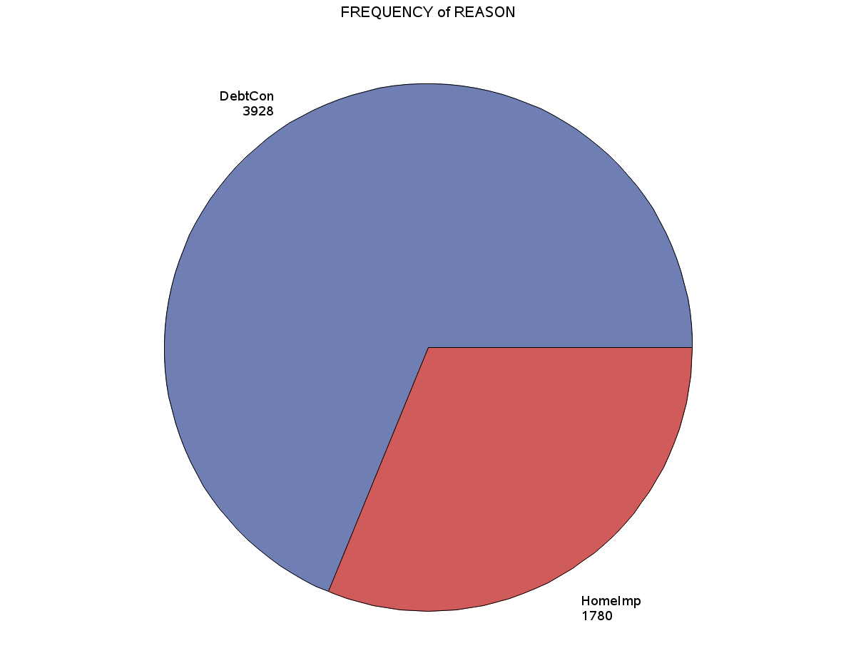

Proc 6 - GPlot
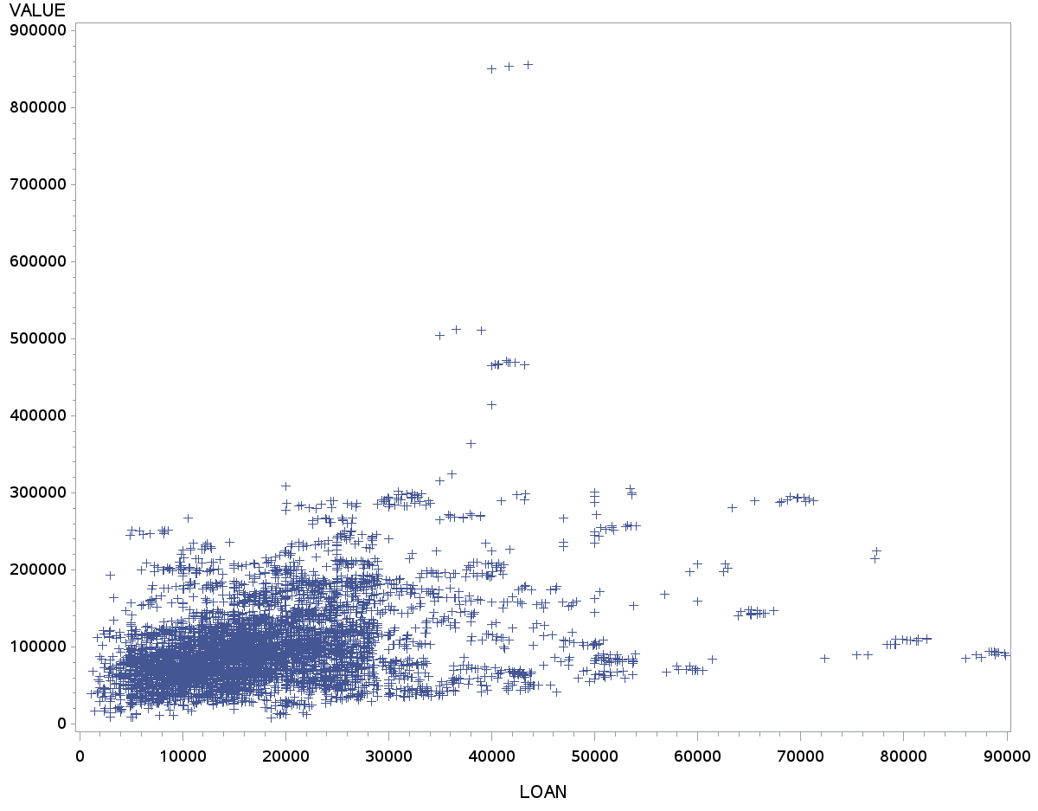

Proc 8 - Logistic
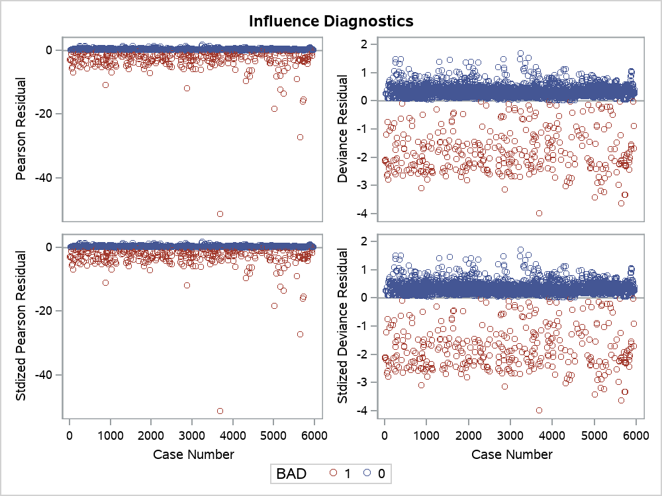
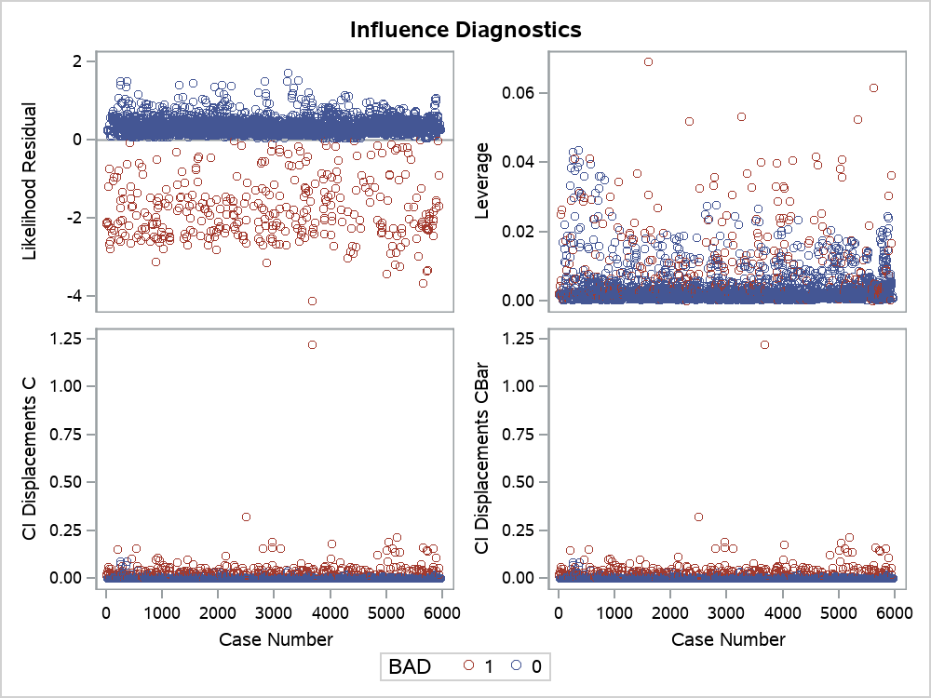
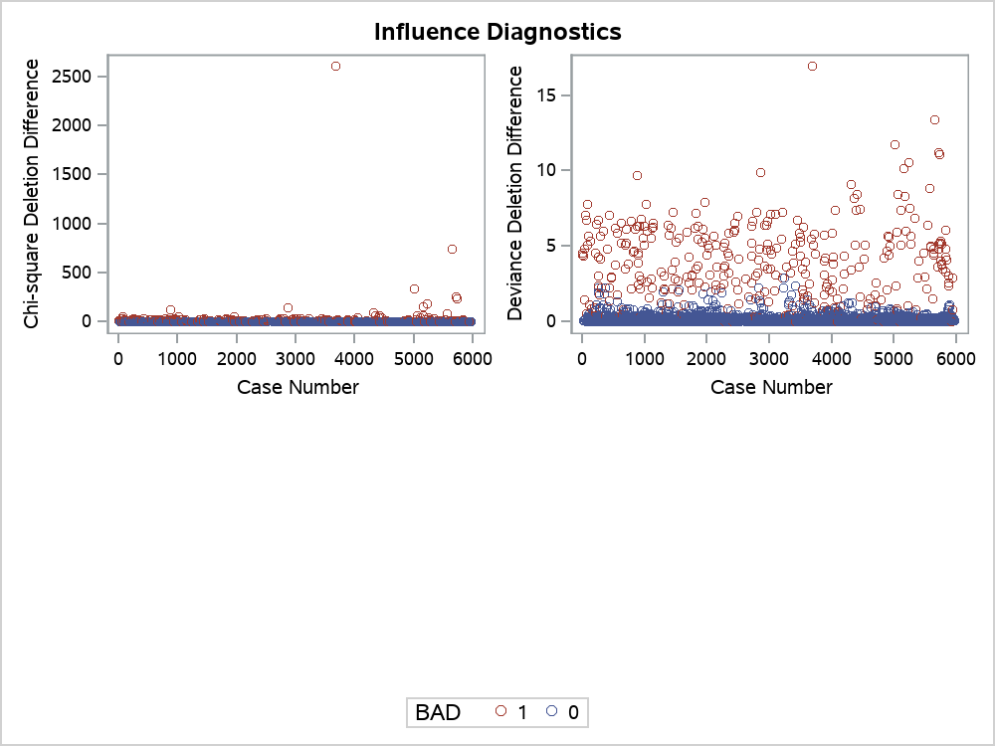
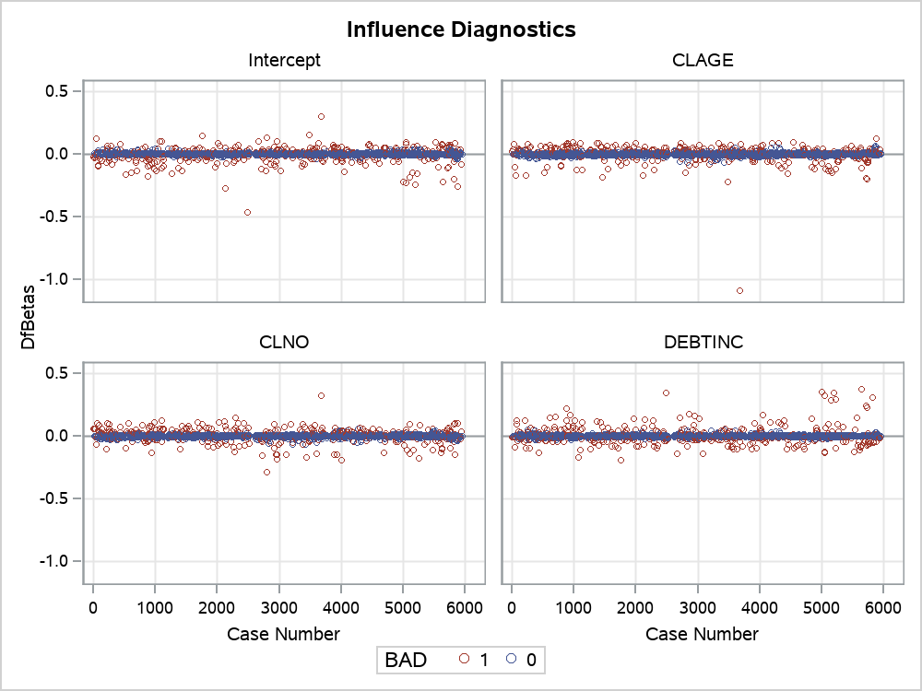
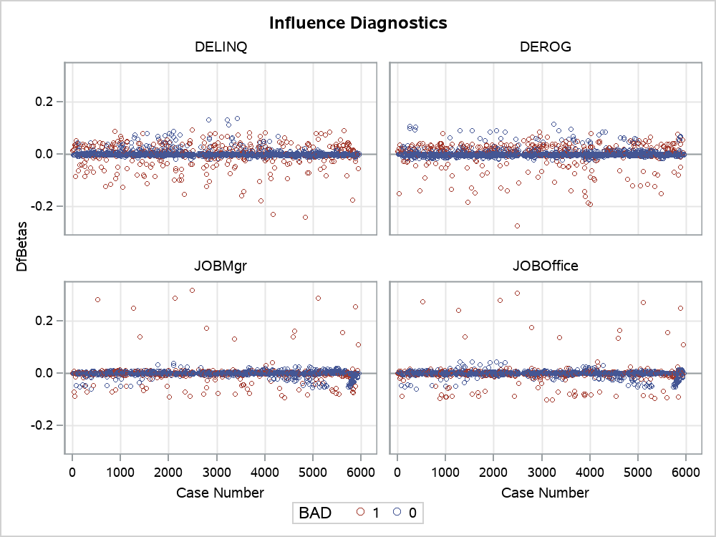
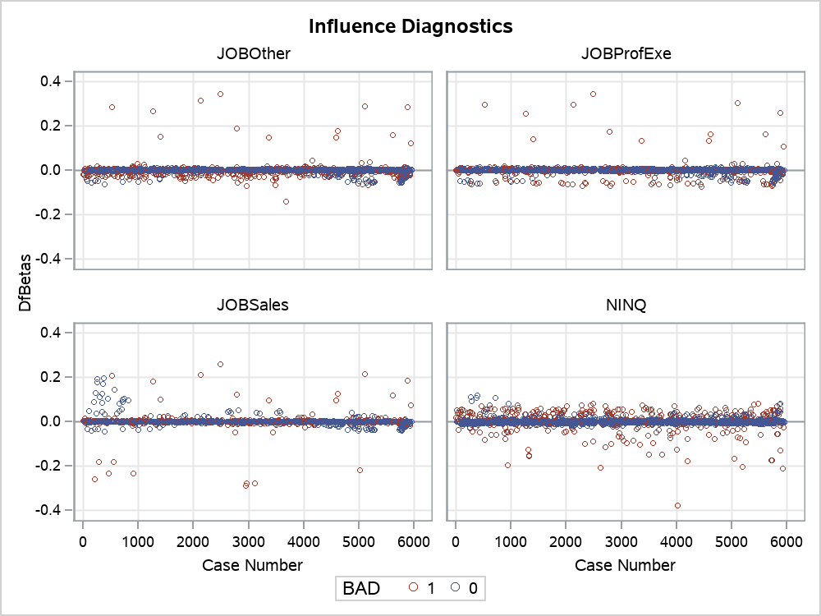
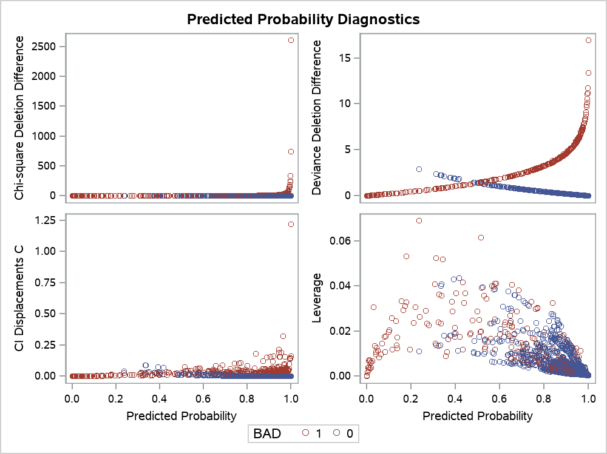
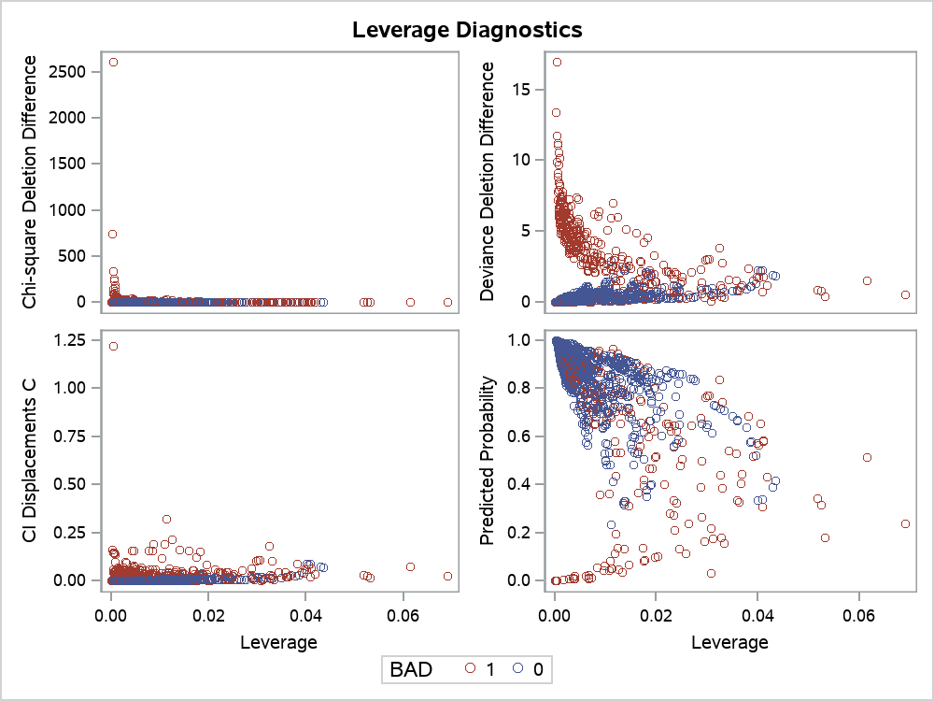
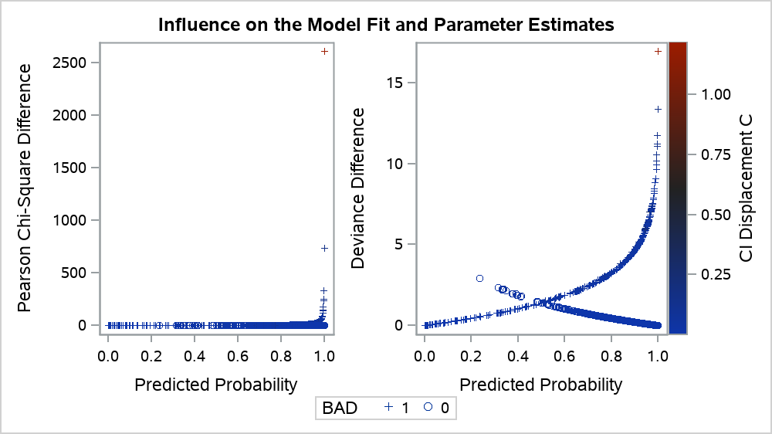
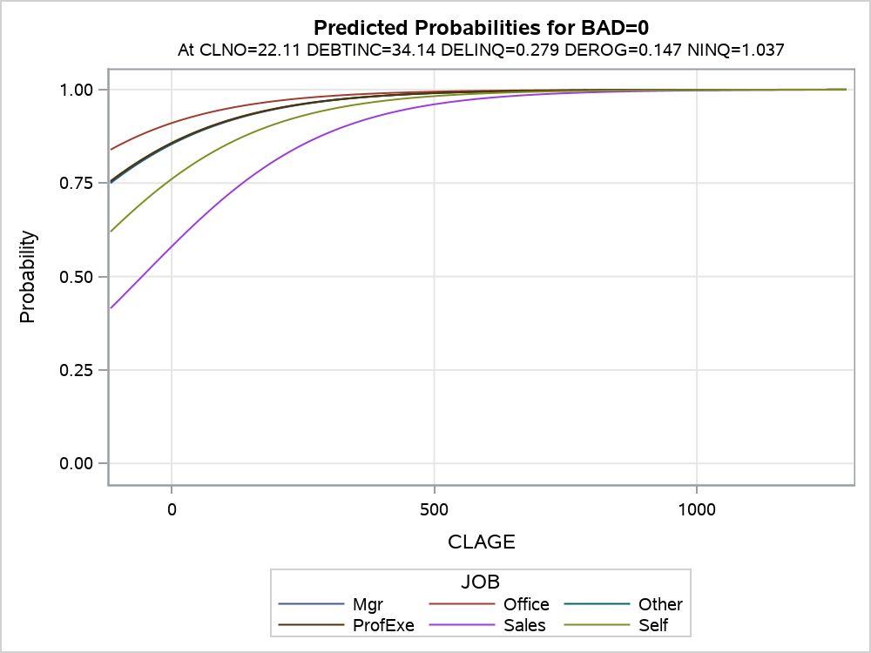
The LOGISTIC Procedure

Model Information
Data Set | WORK.HMEQ
Response Variable | BAD
Number of Response Levels | 2
Model | binary logit
Optimization Technique | Fisher's scoring

Number of Observations Read | 5960
Number of Observations Used | 3364

Response Profile
Ordered Value | BAD | Total Frequency
1 | 0 | 3064
2 | 1 | 300

Note: | Probability modeled is BAD=0.

Note: | 2596 observations were deleted due to missing values for the response or explanatory variables.

Note: | Stepwise Selection Procedure

Class Level Information
Class | Value | Design Variables
REASON | DebtCon | 1 | 0
 | HomeImp | 0 | 1
JOB | Mgr | 1 | 0 | 0 | 0 | 0 | 0
 | Office | 0 | 1 | 0 | 0 | 0 | 0
 | Other | 0 | 0 | 1 | 0 | 0 | 0
 | ProfExe | 0 | 0 | 0 | 1 | 0 | 0
 | Sales | 0 | 0 | 0 | 0 | 1 | 0
 | Self | 0 | 0 | 0 | 0 | 0 | 1

Note: | Step 0. Intercept entered:

Model Convergence Status
Convergence criterion (GCONV=1E-8) satisfied.

-2 Log L |  | 2022.675

Residual Chi-Square Test
Chi-Square | DF | Pr > ChiSq
625.0010 | 16 | <.0001

Note: | Step 1. Effect DELINQ entered:

Model Convergence Status
Convergence criterion (GCONV=1E-8) satisfied.

Model Fit Statistics
Criterion | Intercept Only | Intercept and Covariates
AIC | 2024.675 | 1871.913
SC | 2030.796 | 1884.155
-2 Log L | 2022.675 | 1867.913

Testing Global Null Hypothesis: BETA=0
Test | Chi-Square | DF | Pr > ChiSq
Likelihood Ratio | 154.7625 | 1 | <.0001
Score | 254.2054 | 1 | <.0001
Wald | 145.9096 | 1 | <.0001

Residual Chi-Square Test
Chi-Square | DF | Pr > ChiSq
349.3695 | 15 | <.0001

Note: | No effects for the model in Step 1 are removed.

Note: | Step 2. Effect DEBTINC entered:

Model Convergence Status
Convergence criterion (GCONV=1E-8) satisfied.

Model Fit Statistics
Criterion | Intercept Only | Intercept and Covariates
AIC | 2024.675 | 1732.051
SC | 2030.796 | 1750.413
-2 Log L | 2022.675 | 1726.051

Testing Global Null Hypothesis: BETA=0
Test | Chi-Square | DF | Pr > ChiSq
Likelihood Ratio | 296.6249 | 2 | <.0001
Score | 397.7858 | 2 | <.0001
Wald | 220.6132 | 2 | <.0001

Residual Chi-Square Test
Chi-Square | DF | Pr > ChiSq
189.5447 | 14 | <.0001

Note: | No effects for the model in Step 2 are removed.

Note: | Step 3. Effect DEROG entered:

Model Convergence Status
Convergence criterion (GCONV=1E-8) satisfied.

Model Fit Statistics
Criterion | Intercept Only | Intercept and Covariates
AIC | 2024.675 | 1650.922
SC | 2030.796 | 1675.406
-2 Log L | 2022.675 | 1642.922

Testing Global Null Hypothesis: BETA=0
Test | Chi-Square | DF | Pr > ChiSq
Likelihood Ratio | 379.7535 | 3 | <.0001
Score | 545.2339 | 3 | <.0001
Wald | 263.8710 | 3 | <.0001

Residual Chi-Square Test
Chi-Square | DF | Pr > ChiSq
90.3632 | 13 | <.0001

Note: | No effects for the model in Step 3 are removed.

Note: | Step 4. Effect CLAGE entered:

Model Convergence Status
Convergence criterion (GCONV=1E-8) satisfied.

Model Fit Statistics
Criterion | Intercept Only | Intercept and Covariates
AIC | 2024.675 | 1607.546
SC | 2030.796 | 1638.151
-2 Log L | 2022.675 | 1597.546

Testing Global Null Hypothesis: BETA=0
Test | Chi-Square | DF | Pr > ChiSq
Likelihood Ratio | 425.1290 | 4 | <.0001
Score | 575.8471 | 4 | <.0001
Wald | 288.5907 | 4 | <.0001

Residual Chi-Square Test
Chi-Square | DF | Pr > ChiSq
47.4528 | 12 | <.0001

Note: | No effects for the model in Step 4 are removed.

Note: | Step 5. Effect JOB entered:

Model Convergence Status
Convergence criterion (GCONV=1E-8) satisfied.

Model Fit Statistics
Criterion | Intercept Only | Intercept and Covariates
AIC | 2024.675 | 1595.794
SC | 2030.796 | 1657.003
-2 Log L | 2022.675 | 1575.794

Testing Global Null Hypothesis: BETA=0
Test | Chi-Square | DF | Pr > ChiSq
Likelihood Ratio | 446.8811 | 9 | <.0001
Score | 597.0108 | 9 | <.0001
Wald | 297.1317 | 9 | <.0001

Residual Chi-Square Test
Chi-Square | DF | Pr > ChiSq
23.8989 | 7 | 0.0012

Note: | No effects for the model in Step 5 are removed.

Note: | Step 6. Effect NINQ entered:

Model Convergence Status
Convergence criterion (GCONV=1E-8) satisfied.

Model Fit Statistics
Criterion | Intercept Only | Intercept and Covariates
AIC | 2024.675 | 1588.973
SC | 2030.796 | 1656.303
-2 Log L | 2022.675 | 1566.973

Testing Global Null Hypothesis: BETA=0
Test | Chi-Square | DF | Pr > ChiSq
Likelihood Ratio | 455.7025 | 10 | <.0001
Score | 605.6732 | 10 | <.0001
Wald | 300.7464 | 10 | <.0001

Residual Chi-Square Test
Chi-Square | DF | Pr > ChiSq
13.8915 | 6 | 0.0309

Note: | No effects for the model in Step 6 are removed.

Note: | Step 7. Effect CLNO entered:

Model Convergence Status
Convergence criterion (GCONV=1E-8) satisfied.

Model Fit Statistics
Criterion | Intercept Only | Intercept and Covariates
AIC | 2024.675 | 1583.587
SC | 2030.796 | 1657.038
-2 Log L | 2022.675 | 1559.587

Testing Global Null Hypothesis: BETA=0
Test | Chi-Square | DF | Pr > ChiSq
Likelihood Ratio | 463.0880 | 11 | <.0001
Score | 615.0014 | 11 | <.0001
Wald | 302.3805 | 11 | <.0001

Residual Chi-Square Test
Chi-Square | DF | Pr > ChiSq
6.9572 | 5 | 0.2238

Note: | No effects for the model in Step 7 are removed.

Note: | No (additional) effects met the 0.05 significance level for entry into the model.

Summary of Stepwise Selection
Step | Effect |  | DF | Number In | Score Chi-Square | Wald Chi-Square | Pr > ChiSq
 | Entered | Removed
1 | DELINQ |  | 1 | 1 | 254.2054 |  | <.0001
2 | DEBTINC |  | 1 | 2 | 142.1980 |  | <.0001
3 | DEROG |  | 1 | 3 | 105.4667 |  | <.0001
4 | CLAGE |  | 1 | 4 | 40.4196 |  | <.0001
5 | JOB |  | 5 | 5 | 23.6862 |  | 0.0002
6 | NINQ |  | 1 | 6 | 9.6436 |  | 0.0019
7 | CLNO |  | 1 | 7 | 7.2242 |  | 0.0072

Type 3 Analysis of Effects
Effect | DF | Wald Chi-Square | Pr > ChiSq
CLAGE | 1 | 30.6003 | <.0001
CLNO | 1 | 7.1820 | 0.0074
DEBTINC | 1 | 94.3510 | <.0001
DELINQ | 1 | 121.3538 | <.0001
DEROG | 1 | 49.9766 | <.0001
JOB | 5 | 24.0728 | 0.0002
NINQ | 1 | 10.2919 | 0.0013

Analysis of Maximum Likelihood Estimates
Parameter |  | DF | Estimate | Standard Error | Wald Chi-Square | Pr > ChiSq
Intercept |  | 1 | 4.5465 | 0.5633 | 65.1386 | <.0001
CLAGE |  | 1 | 0.00574 | 0.00104 | 30.6003 | <.0001
CLNO |  | 1 | 0.0204 | 0.00762 | 7.1820 | 0.0074
DEBTINC |  | 1 | -0.0996 | 0.0103 | 94.3510 | <.0001
DELINQ |  | 1 | -0.7584 | 0.0688 | 121.3538 | <.0001
DEROG |  | 1 | -0.7213 | 0.1020 | 49.9766 | <.0001
JOB | Mgr | 1 | 0.6078 | 0.3894 | 2.4372 | 0.1185
JOB | Office | 1 | 1.1626 | 0.3983 | 8.5193 | 0.0035
JOB | Other | 1 | 0.6241 | 0.3655 | 2.9163 | 0.0877
JOB | ProfExe | 1 | 0.6390 | 0.3788 | 2.8464 | 0.0916
JOB | Sales | 1 | -0.8330 | 0.5253 | 2.5148 | 0.1128
JOB | Self | 0 | 0 | . | . | .
NINQ |  | 1 | -0.1199 | 0.0374 | 10.2919 | 0.0013

Odds Ratio Estimates
Effect | Point Estimate | 95% Wald Confidence Limits
CLAGE | 1.006 | 1.004 | 1.008
CLNO | 1.021 | 1.006 | 1.036
DEBTINC | 0.905 | 0.887 | 0.924
DELINQ | 0.468 | 0.409 | 0.536
DEROG | 0.486 | 0.398 | 0.594
JOB Mgr vs Self | 1.836 | 0.856 | 3.939
JOB Office vs Self | 3.198 | 1.465 | 6.981
JOB Other vs Self | 1.867 | 0.912 | 3.821
JOB ProfExe vs Self | 1.895 | 0.902 | 3.980
JOB Sales vs Self | 0.435 | 0.155 | 1.217
NINQ | 0.887 | 0.824 | 0.954

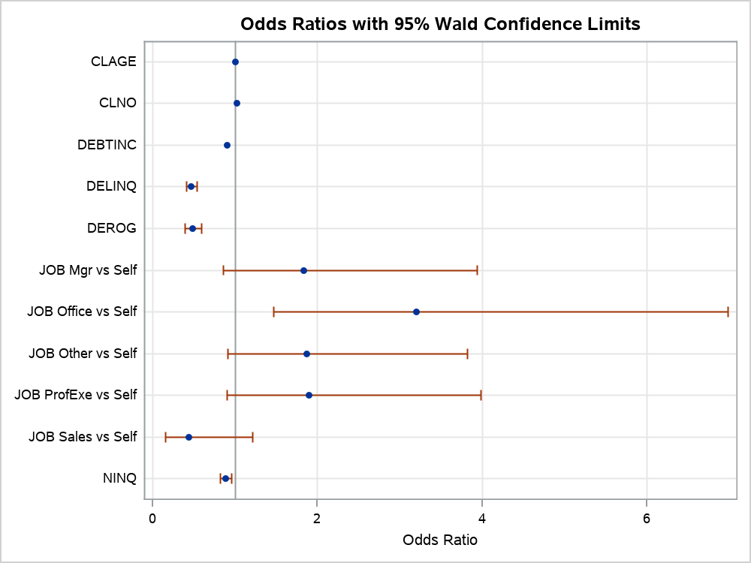

Association of Predicted Probabilities and Observed Responses
Percent Concordant | 79.6 | Somers' D | 0.593
Percent Discordant | 20.4 | Gamma | 0.593
Percent Tied | 0 | Tau-a | 0.096
Pairs | 919200 | c | 0.796

Proc 9 - Logistic
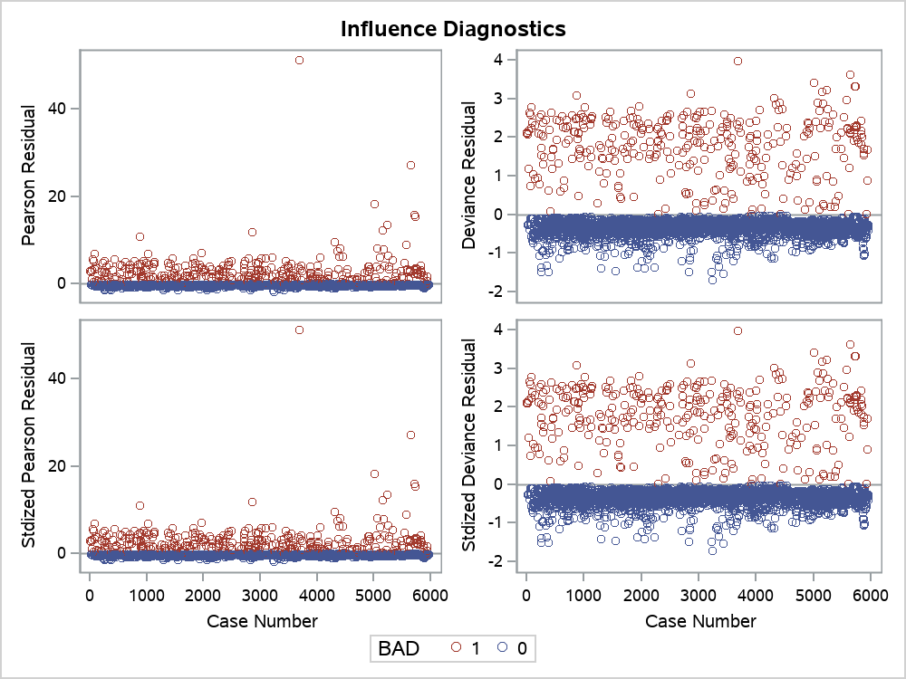
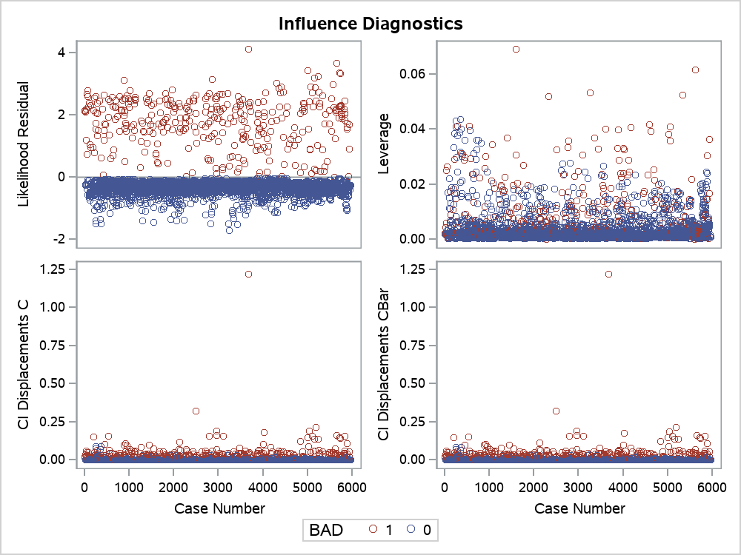
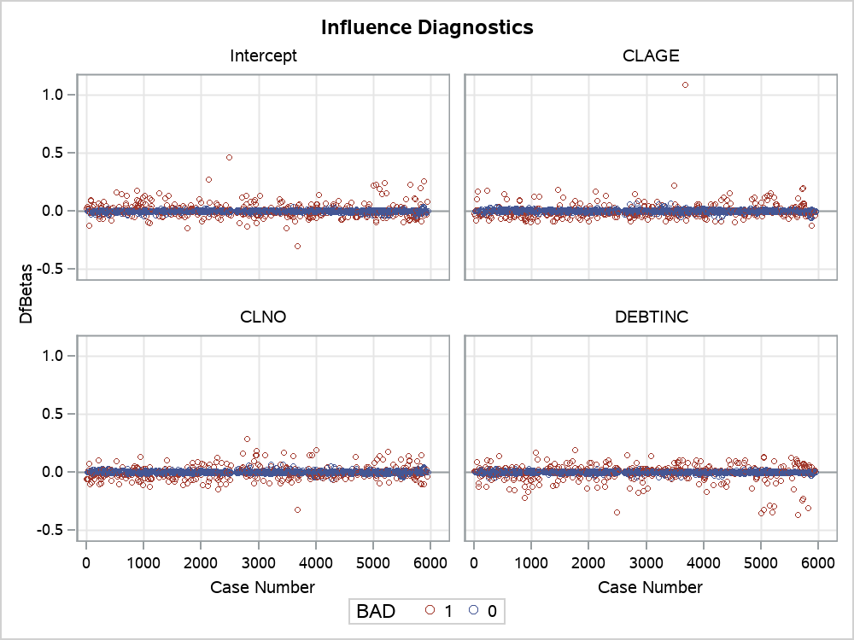
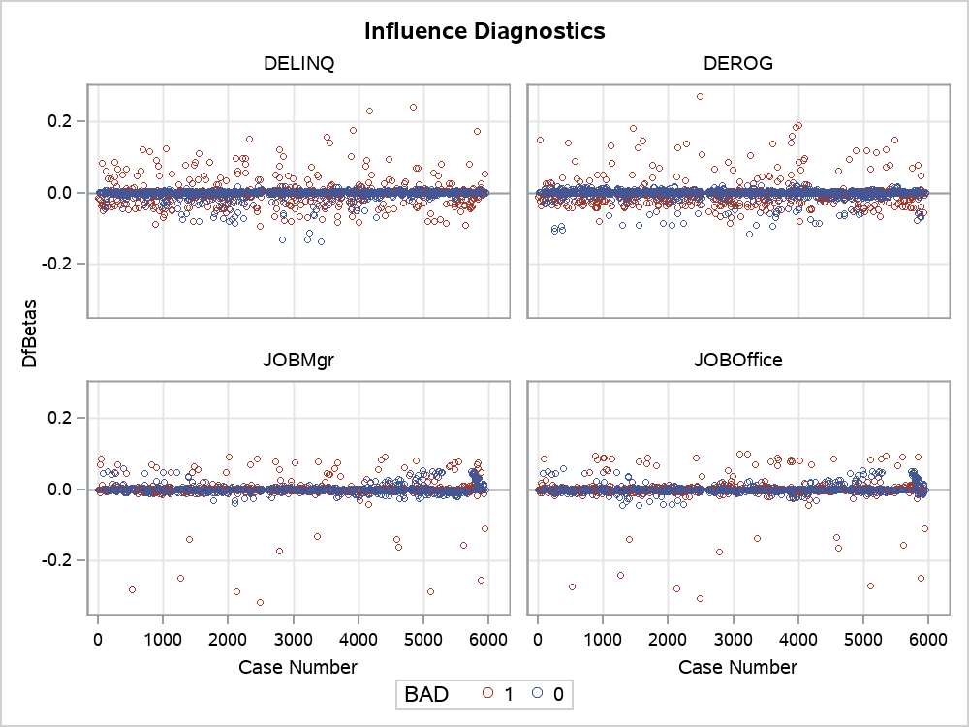
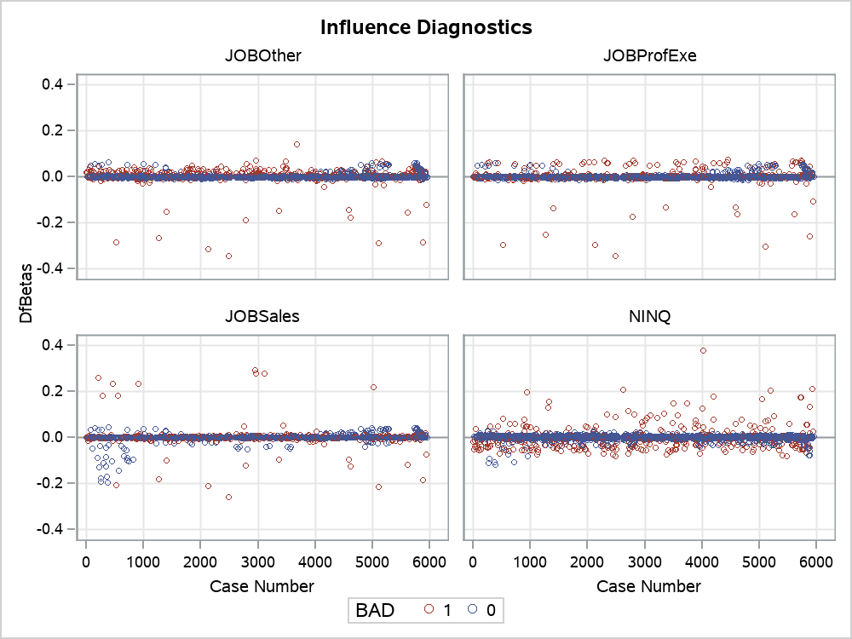
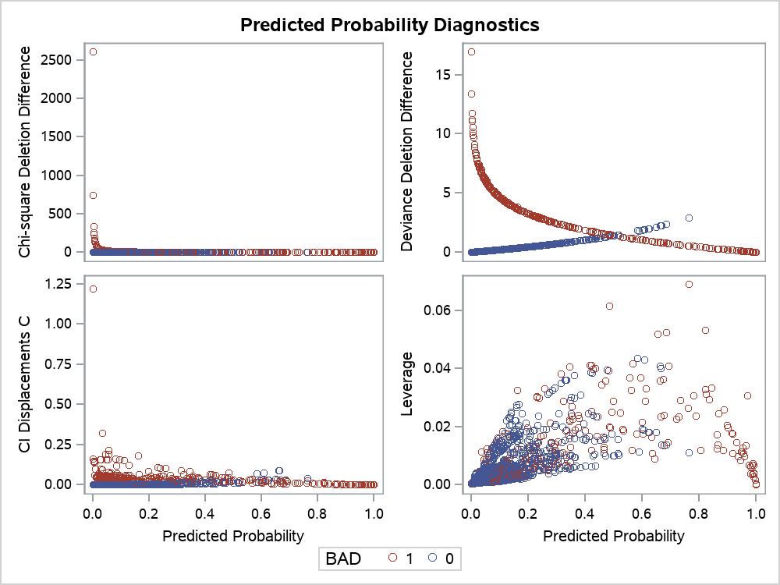
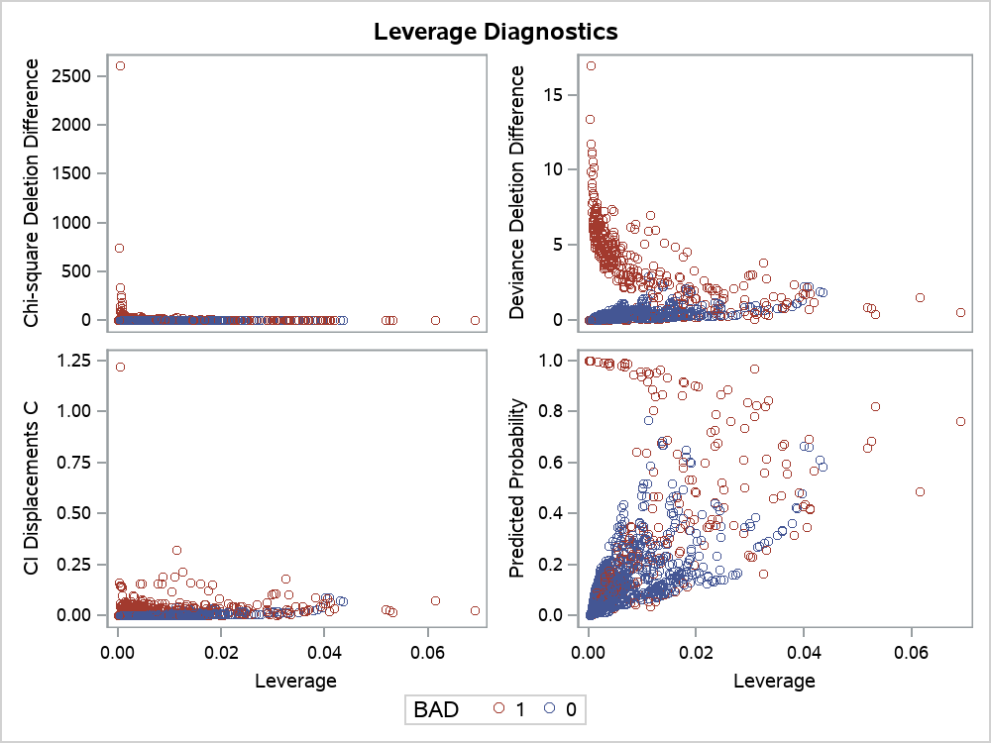
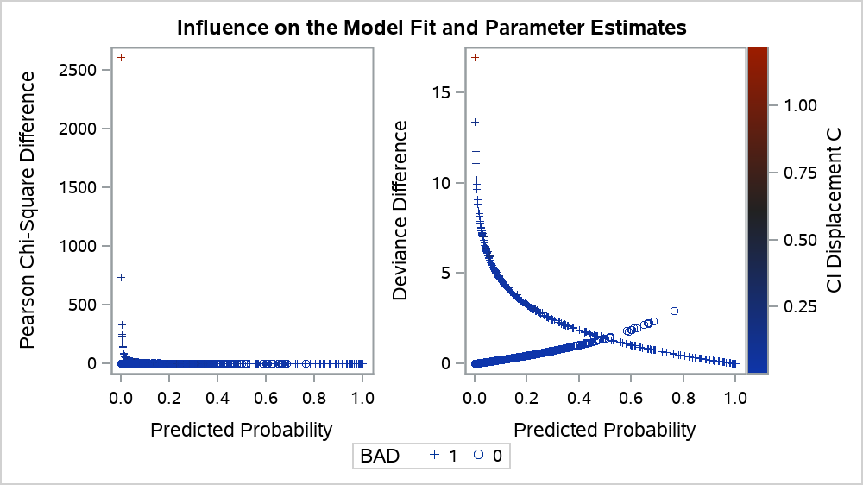
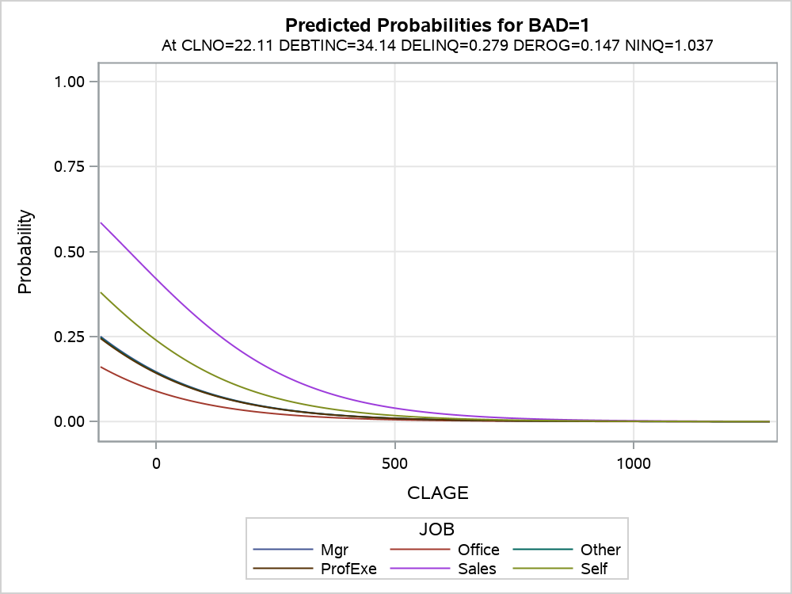
The LOGISTIC Procedure

Model Information
Data Set | WORK.HMEQ
Response Variable | BAD
Number of Response Levels | 2
Model | binary logit
Optimization Technique | Fisher's scoring

Number of Observations Read | 5960
Number of Observations Used | 3364

Response Profile
Ordered Value | BAD | Total Frequency
1 | 0 | 3064
2 | 1 | 300

Note: | Probability modeled is BAD=1.

Note: | 2596 observations were deleted due to missing values for the response or explanatory variables.

Note: | Stepwise Selection Procedure

Class Level Information
Class | Value | Design Variables
REASON | DebtCon | 1 | 0
 | HomeImp | 0 | 1
JOB | Mgr | 1 | 0 | 0 | 0 | 0 | 0
 | Office | 0 | 1 | 0 | 0 | 0 | 0
 | Other | 0 | 0 | 1 | 0 | 0 | 0
 | ProfExe | 0 | 0 | 0 | 1 | 0 | 0
 | Sales | 0 | 0 | 0 | 0 | 1 | 0
 | Self | 0 | 0 | 0 | 0 | 0 | 1

Note: | Step 0. Intercept entered:

Model Convergence Status
Convergence criterion (GCONV=1E-8) satisfied.

-2 Log L |  | 2022.675

Residual Chi-Square Test
Chi-Square | DF | Pr > ChiSq
625.0010 | 16 | <.0001

Note: | Step 1. Effect DELINQ entered:

Model Convergence Status
Convergence criterion (GCONV=1E-8) satisfied.

Model Fit Statistics
Criterion | Intercept Only | Intercept and Covariates
AIC | 2024.675 | 1871.913
SC | 2030.796 | 1884.155
-2 Log L | 2022.675 | 1867.913

Testing Global Null Hypothesis: BETA=0
Test | Chi-Square | DF | Pr > ChiSq
Likelihood Ratio | 154.7625 | 1 | <.0001
Score | 254.2054 | 1 | <.0001
Wald | 145.9096 | 1 | <.0001

Residual Chi-Square Test
Chi-Square | DF | Pr > ChiSq
349.3695 | 15 | <.0001

Note: | No effects for the model in Step 1 are removed.

Note: | Step 2. Effect DEBTINC entered:

Model Convergence Status
Convergence criterion (GCONV=1E-8) satisfied.

Model Fit Statistics
Criterion | Intercept Only | Intercept and Covariates
AIC | 2024.675 | 1732.051
SC | 2030.796 | 1750.413
-2 Log L | 2022.675 | 1726.051

Testing Global Null Hypothesis: BETA=0
Test | Chi-Square | DF | Pr > ChiSq
Likelihood Ratio | 296.6249 | 2 | <.0001
Score | 397.7858 | 2 | <.0001
Wald | 220.6132 | 2 | <.0001

Residual Chi-Square Test
Chi-Square | DF | Pr > ChiSq
189.5447 | 14 | <.0001

Note: | No effects for the model in Step 2 are removed.

Note: | Step 3. Effect DEROG entered:

Model Convergence Status
Convergence criterion (GCONV=1E-8) satisfied.

Model Fit Statistics
Criterion | Intercept Only | Intercept and Covariates
AIC | 2024.675 | 1650.922
SC | 2030.796 | 1675.406
-2 Log L | 2022.675 | 1642.922

Testing Global Null Hypothesis: BETA=0
Test | Chi-Square | DF | Pr > ChiSq
Likelihood Ratio | 379.7535 | 3 | <.0001
Score | 545.2339 | 3 | <.0001
Wald | 263.8710 | 3 | <.0001

Residual Chi-Square Test
Chi-Square | DF | Pr > ChiSq
90.3632 | 13 | <.0001

Note: | No effects for the model in Step 3 are removed.

Note: | Step 4. Effect CLAGE entered:

Model Convergence Status
Convergence criterion (GCONV=1E-8) satisfied.

Model Fit Statistics
Criterion | Intercept Only | Intercept and Covariates
AIC | 2024.675 | 1607.546
SC | 2030.796 | 1638.151
-2 Log L | 2022.675 | 1597.546

Testing Global Null Hypothesis: BETA=0
Test | Chi-Square | DF | Pr > ChiSq
Likelihood Ratio | 425.1290 | 4 | <.0001
Score | 575.8471 | 4 | <.0001
Wald | 288.5907 | 4 | <.0001

Residual Chi-Square Test
Chi-Square | DF | Pr > ChiSq
47.4528 | 12 | <.0001

Note: | No effects for the model in Step 4 are removed.

Note: | Step 5. Effect JOB entered:

Model Convergence Status
Convergence criterion (GCONV=1E-8) satisfied.

Model Fit Statistics
Criterion | Intercept Only | Intercept and Covariates
AIC | 2024.675 | 1595.794
SC | 2030.796 | 1657.003
-2 Log L | 2022.675 | 1575.794

Testing Global Null Hypothesis: BETA=0
Test | Chi-Square | DF | Pr > ChiSq
Likelihood Ratio | 446.8811 | 9 | <.0001
Score | 597.0108 | 9 | <.0001
Wald | 297.1317 | 9 | <.0001

Residual Chi-Square Test
Chi-Square | DF | Pr > ChiSq
23.8989 | 7 | 0.0012

Note: | No effects for the model in Step 5 are removed.

Note: | Step 6. Effect NINQ entered:

Model Convergence Status
Convergence criterion (GCONV=1E-8) satisfied.

Model Fit Statistics
Criterion | Intercept Only | Intercept and Covariates
AIC | 2024.675 | 1588.973
SC | 2030.796 | 1656.303
-2 Log L | 2022.675 | 1566.973

Testing Global Null Hypothesis: BETA=0
Test | Chi-Square | DF | Pr > ChiSq
Likelihood Ratio | 455.7025 | 10 | <.0001
Score | 605.6732 | 10 | <.0001
Wald | 300.7464 | 10 | <.0001

Residual Chi-Square Test
Chi-Square | DF | Pr > ChiSq
13.8915 | 6 | 0.0309

Note: | No effects for the model in Step 6 are removed.

Note: | Step 7. Effect CLNO entered:

Model Convergence Status
Convergence criterion (GCONV=1E-8) satisfied.

Model Fit Statistics
Criterion | Intercept Only | Intercept and Covariates
AIC | 2024.675 | 1583.587
SC | 2030.796 | 1657.038
-2 Log L | 2022.675 | 1559.587

Testing Global Null Hypothesis: BETA=0
Test | Chi-Square | DF | Pr > ChiSq
Likelihood Ratio | 463.0880 | 11 | <.0001
Score | 615.0014 | 11 | <.0001
Wald | 302.3805 | 11 | <.0001

Residual Chi-Square Test
Chi-Square | DF | Pr > ChiSq
6.9572 | 5 | 0.2238

Note: | No effects for the model in Step 7 are removed.

Note: | No (additional) effects met the 0.05 significance level for entry into the model.

Summary of Stepwise Selection
Step | Effect |  | DF | Number In | Score Chi-Square | Wald Chi-Square | Pr > ChiSq
 | Entered | Removed
1 | DELINQ |  | 1 | 1 | 254.2054 |  | <.0001
2 | DEBTINC |  | 1 | 2 | 142.1980 |  | <.0001
3 | DEROG |  | 1 | 3 | 105.4667 |  | <.0001
4 | CLAGE |  | 1 | 4 | 40.4196 |  | <.0001
5 | JOB |  | 5 | 5 | 23.6862 |  | 0.0002
6 | NINQ |  | 1 | 6 | 9.6436 |  | 0.0019
7 | CLNO |  | 1 | 7 | 7.2242 |  | 0.0072

Type 3 Analysis of Effects
Effect | DF | Wald Chi-Square | Pr > ChiSq
CLAGE | 1 | 30.6003 | <.0001
CLNO | 1 | 7.1820 | 0.0074
DEBTINC | 1 | 94.3510 | <.0001
DELINQ | 1 | 121.3538 | <.0001
DEROG | 1 | 49.9766 | <.0001
JOB | 5 | 24.0728 | 0.0002
NINQ | 1 | 10.2919 | 0.0013

Analysis of Maximum Likelihood Estimates
Parameter |  | DF | Estimate | Standard Error | Wald Chi-Square | Pr > ChiSq
Intercept |  | 1 | -4.5465 | 0.5633 | 65.1386 | <.0001
CLAGE |  | 1 | -0.00574 | 0.00104 | 30.6003 | <.0001
CLNO |  | 1 | -0.0204 | 0.00762 | 7.1820 | 0.0074
DEBTINC |  | 1 | 0.0996 | 0.0103 | 94.3510 | <.0001
DELINQ |  | 1 | 0.7584 | 0.0688 | 121.3538 | <.0001
DEROG |  | 1 | 0.7213 | 0.1020 | 49.9766 | <.0001
JOB | Mgr | 1 | -0.6078 | 0.3894 | 2.4372 | 0.1185
JOB | Office | 1 | -1.1626 | 0.3983 | 8.5193 | 0.0035
JOB | Other | 1 | -0.6241 | 0.3655 | 2.9163 | 0.0877
JOB | ProfExe | 1 | -0.6390 | 0.3788 | 2.8464 | 0.0916
JOB | Sales | 1 | 0.8330 | 0.5253 | 2.5148 | 0.1128
JOB | Self | 0 | 0 | . | . | .
NINQ |  | 1 | 0.1199 | 0.0374 | 10.2919 | 0.0013

Odds Ratio Estimates
Effect | Point Estimate | 95% Wald Confidence Limits
CLAGE | 0.994 | 0.992 | 0.996
CLNO | 0.980 | 0.965 | 0.995
DEBTINC | 1.105 | 1.083 | 1.127
DELINQ | 2.135 | 1.865 | 2.443
DEROG | 2.057 | 1.684 | 2.513
JOB Mgr vs Self | 0.545 | 0.254 | 1.168
JOB Office vs Self | 0.313 | 0.143 | 0.683
JOB Other vs Self | 0.536 | 0.262 | 1.097
JOB ProfExe vs Self | 0.528 | 0.251 | 1.109
JOB Sales vs Self | 2.300 | 0.822 | 6.440
NINQ | 1.127 | 1.048 | 1.213

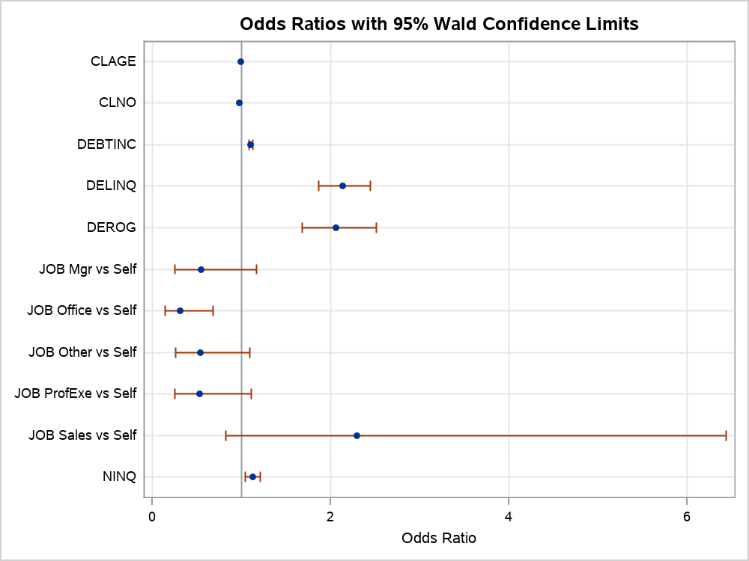

Association of Predicted Probabilities and Observed Responses
Percent Concordant | 79.6 | Somers' D | 0.593
Percent Discordant | 20.4 | Gamma | 0.593
Percent Tied | 0 | Tau-a | 0.096
Pairs | 919200 | c | 0.796

